Datailed Inquiry Information
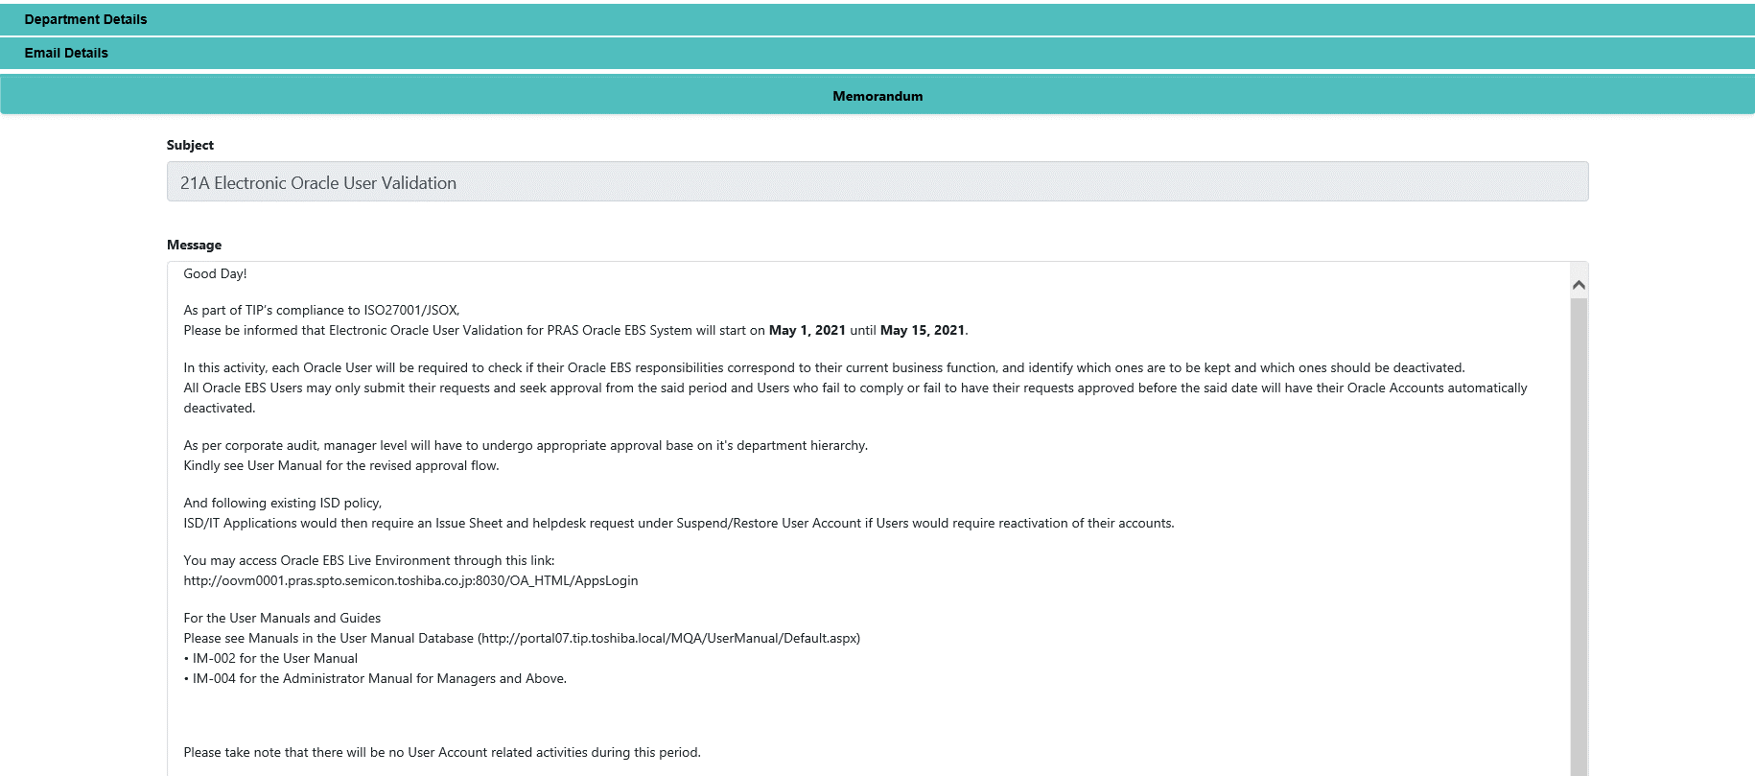
Detailed Inquiry Information

 | PLEASE PROVIDE EVIDENCE OF REQUEST / DETAILS OF REQUEST HERE (IN DETAIL).

Detailed Investigation Result
Detailed Investigation Result

 | Modification of Electronic Users Validation System

 | Current Logic of Electronic User Validation System

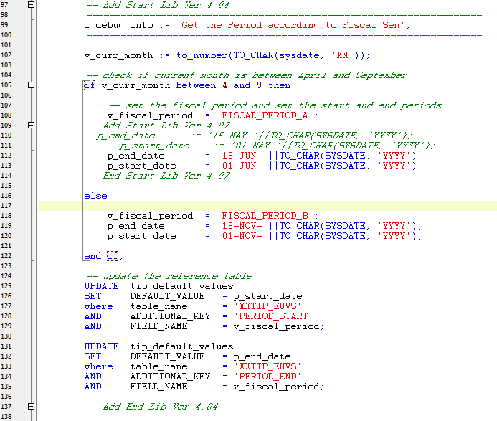

 | PROGRAM TO APPLY:

Actual Operation Evidence
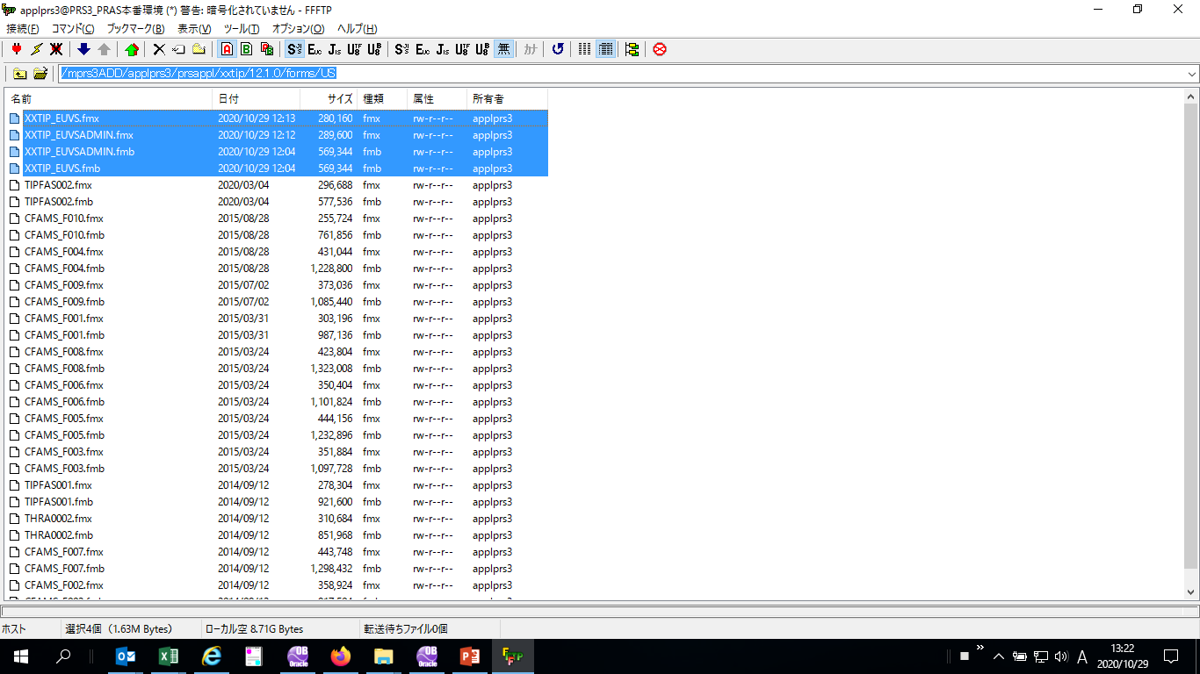
Actual Operation Evidence

File Upload | /mprs3ADD/applprs3/prsappl/xxtip/12.1.0/admin/sql
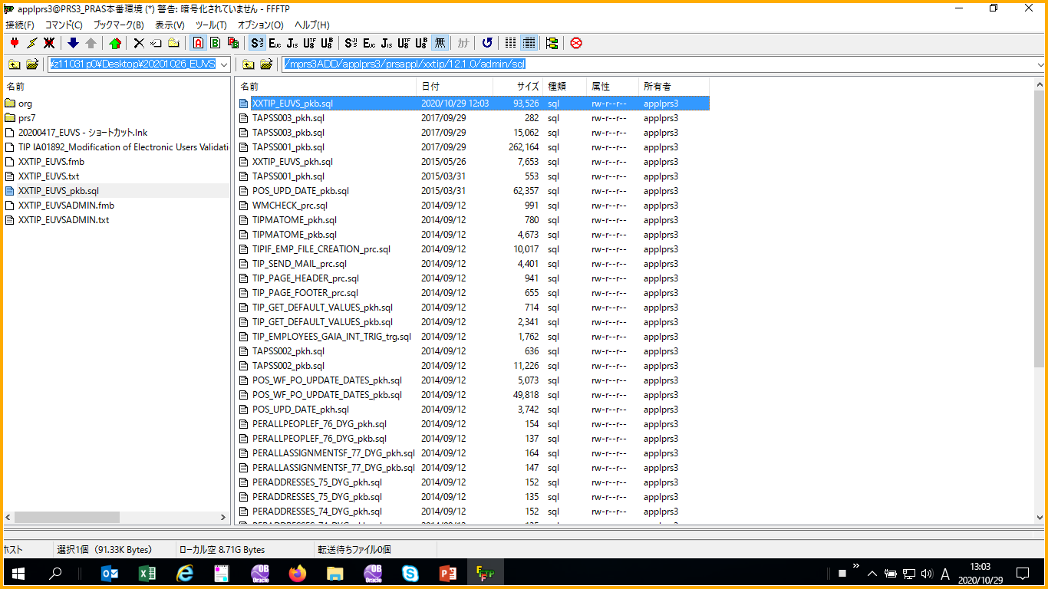

 | /mprs3ADD/applprs3/prsappl/xxtip/12.1.0/forms/US
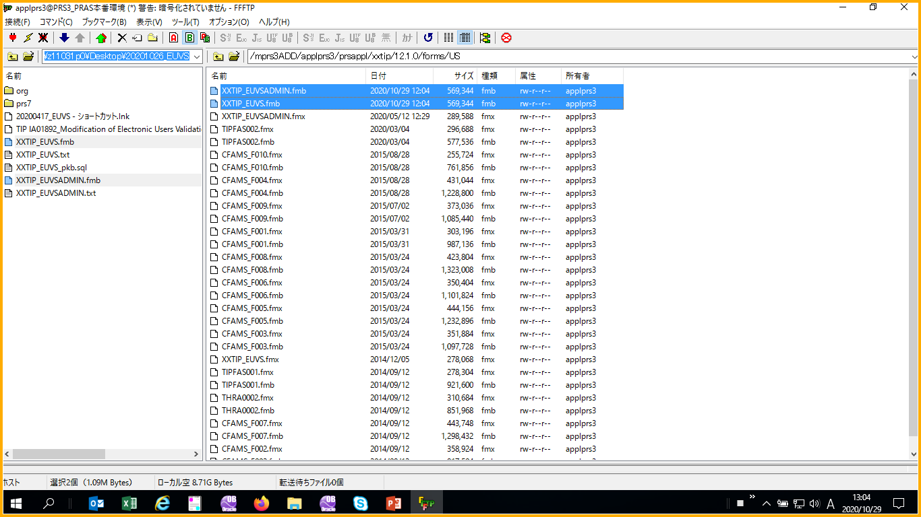

Package Compile
 | login: applprs3
 | Password:
 | Last login: Thu Oct 29 12:03:02 from 10.237.17.56
 | Oracle Corporation SunOS 5.10 Generic Patch January 2005
 | You have new mail.
 | [applprs3@oovm0001] cd /mprs3ADD/applprs3/prsappl/xxtip/12.1.0/admin/sql
 | [applprs3@oovm0001] sqlplus

 | SQL*Plus: Release 10.1.0.5.0 - Production on Thu Oct 29 12:05:22 2020

 | Copyright (c) 1982, 2005, Oracle. All rights reserved.

 | Enter user-name: xxlib
 | Enter password:

 | Connected to:
 | Oracle Database 11g Enterprise Edition Release 11.2.0.3.0 - 64bit Production
 | With the Partitioning, OLAP, Data Mining and Real Application Testing options

 | SQL> @XXTIP_EUVS_pkb.sql

 | Package body created.

 | SQL>

Forms Compile confirmataion

Actual Operation Evidence HLL
Actual Operation Evidence for High Level Librarian

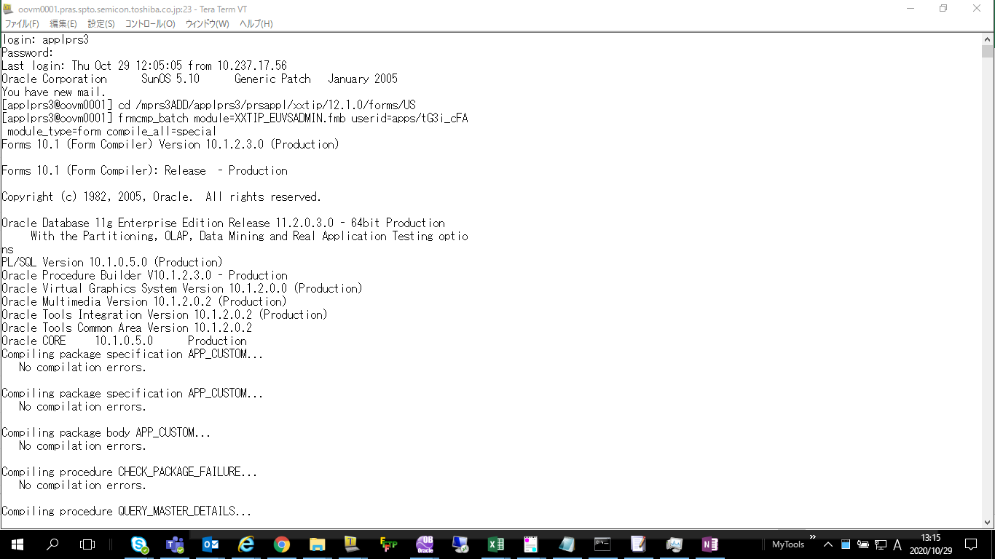

Forms Compile log
 | login: applprs3
 | Password:
 | Last login: Thu Oct 29 12:05:05 from 10.237.17.56
 | Oracle Corporation SunOS 5.10 Generic Patch January 2005
 | You have new mail.
 | [applprs3@oovm0001] cd /mprs3ADD/applprs3/prsappl/xxtip/12.1.0/forms/US
 | [applprs3@oovm0001] frmcmp_batch module=XXTIP_EUVSADMIN.fmb userid=apps/xxxxxx module_type=form compile_all=special
 | Forms 10.1 (Form Compiler) Version 10.1.2.3.0 (Production)

 | Forms 10.1 (Form Compiler): Release - Production

 | Copyright (c) 1982, 2005, Oracle. All rights reserved.

 | Oracle Database 11g Enterprise Edition Release 11.2.0.3.0 - 64bit Production
 | With the Partitioning, OLAP, Data Mining and Real Application Testing options
 | PL/SQL Version 10.1.0.5.0 (Production)
 | Oracle Procedure Builder V10.1.2.3.0 - Production
 | Oracle Virtual Graphics System Version 10.1.2.0.0 (Production)
 | Oracle Multimedia Version 10.1.2.0.2 (Production)
 | Oracle Tools Integration Version 10.1.2.0.2 (Production)
 | Oracle Tools Common Area Version 10.1.2.0.2
 | Oracle CORE 10.1.0.5.0 Production
 | Compiling package specification APP_CUSTOM...
 | No compilation errors.

 | Compiling package specification APP_CUSTOM...
 | No compilation errors.

 | Compiling package body APP_CUSTOM...
 | No compilation errors.

 | Compiling procedure CHECK_PACKAGE_FAILURE...
 | No compilation errors.

 | Compiling procedure QUERY_MASTER_DETAILS...
 | No compilation errors.

 | Compiling procedure CLEAR_ALL_MASTER_DETAILS...
 | No compilation errors.

 | Compiling procedure ENABLE_BLOCK...
 | No compilation errors.

 | Compiling KEY-F9 trigger on form...
 | No compilation errors.

 | Compiling KEY-F0 trigger on form...
 | No compilation errors.

 | Compiling KEY-F1 trigger on form...
 | No compilation errors.

 | Compiling KEY-F2 trigger on form...
 | No compilation errors.

 | Compiling KEY-F3 trigger on form...
 | No compilation errors.

 | Compiling KEY-F4 trigger on form...
 | No compilation errors.

 | Compiling KEY-F5 trigger on form...
 | No compilation errors.

 | Compiling KEY-F6 trigger on form...
 | No compilation errors.

 | Compiling KEY-F7 trigger on form...
 | No compilation errors.

 | Compiling KEY-F8 trigger on form...
 | No compilation errors.

 | Compiling APPCORE_TO_CALENDAR trigger on form...
 | No compilation errors.

 | Compiling EXPORT trigger on form...
 | No compilation errors.

 | Compiling LASTRECORD trigger on form...
 | No compilation errors.

 | Compiling CLOSE_THIS_WINDOW trigger on form...
 | No compilation errors.

 | Compiling ZOOM trigger on form...
 | No compilation errors.

 | Compiling STANDARD_ATTACHMENTS trigger on form...
 | No compilation errors.

 | Compiling WHEN-FORM-NAVIGATE trigger on form...
 | No compilation errors.

 | Compiling MENU_TO_APPCORE trigger on form...
 | No compilation errors.

 | Compiling PRE-POPUP-MENU trigger on form...
 | No compilation errors.

 | Compiling WHEN-WINDOW-RESIZED trigger on form...
 | No compilation errors.

 | Compiling FOLDER_ACTION trigger on form...
 | No compilation errors.

 | Compiling FOLDER_RETURN_ACTION trigger on form...
 | No compilation errors.

 | Compiling KEY-HELP trigger on form...
 | No compilation errors.

 | Compiling KEY-DUPREC trigger on form...
 | No compilation errors.

 | Compiling KEY-EXIT trigger on form...
 | No compilation errors.

 | Compiling KEY-EDIT trigger on form...
 | No compilation errors.

 | Compiling KEY-COMMIT trigger on form...
 | No compilation errors.

 | Compiling KEY-CLRFRM trigger on form...
 | No compilation errors.

 | Compiling KEY-MENU trigger on form...
 | No compilation errors.

 | Compiling KEY-LISTVAL trigger on form...
 | No compilation errors.

 | Compiling WHEN-WINDOW-CLOSED trigger on form...
 | No compilation errors.

 | Compiling POST-FORM trigger on form...
 | No compilation errors.

 | Compiling PRE-FORM trigger on form...
 | No compilation errors.

 | Compiling ON-ERROR trigger on form...
 | No compilation errors.

 | Compiling WHEN-NEW-FORM-INSTANCE trigger on form...
 | No compilation errors.

 | Compiling WHEN-NEW-RECORD-INSTANCE trigger on form...
 | No compilation errors.

 | Compiling WHEN-NEW-ITEM-INSTANCE trigger on form...
 | No compilation errors.

 | Compiling WHEN-NEW-BLOCK-INSTANCE trigger on form...
 | No compilation errors.

 | Compiling QUERY_FIND trigger on form...
 | No compilation errors.

 | Compiling CLOSE_WINDOW trigger on form...
 | No compilation errors.

 | Compiling ACCEPT trigger on form...
 | No compilation errors.

 | Compiling ON-CLEAR-DETAILS trigger on form...
 | No compilation errors.

 | Compiling WHEN-CUSTOM-ITEM-EVENT trigger on PJC item in BLK_PJC data block...
 | No compilation errors.

 | Compiling ON-POPULATE-DETAILS trigger on XXTIP_EUVS_HDR_TL data block...
 | No compilation errors.

 | Compiling ON-CHECK-DELETE-MASTER trigger on XXTIP_EUVS_HDR_TL data block...
 | No compilation errors.

 | Compiling WHEN-NEW-BLOCK-INSTANCE trigger on XXTIP_EUVS_HDR_TL data block...
 | No compilation errors.

 | Compiling WHEN-CHECKBOX-CHANGED trigger on DEACTIVATE_ACCT_CHKBX item in XXTIP_EUVS_HDR_TL data block...
 | No compilation errors.

 | Compiling WHEN-VALIDATE-ITEM trigger on APPROVER_LOV_FLD item in XXTIP_EUVS_HDR_TL data block...
 | No compilation errors.

 | Compiling POST-QUERY trigger on XXTIP_EUVS_LINE_TL data block...
 | No compilation errors.

 | Compiling WHEN-BUTTON-PRESSED trigger on CLOSE_BTN item in NON_DB data block...
 | No compilation errors.

 | Compiling WHEN-BUTTON-PRESSED trigger on SUBMIT_BTN item in NON_DB data block...
 | No compilation errors.

 | Compiling WHEN-BUTTON-PRESSED trigger on SAVE_BTN item in NON_DB data block...
 | No compilation errors.

 | Compiling WHEN-RADIO-CHANGED trigger on CALENDAR data block...
 | No compilation errors.

 | Compiling KEY-OTHERS trigger on CALENDAR data block...
 | No compilation errors.

 | Compiling KEY-NEXT-ITEM trigger on CALENDAR data block...
 | No compilation errors.

 | Compiling KEY-PREV-ITEM trigger on CALENDAR data block...
 | No compilation errors.

 | Compiling KEY-ENTER trigger on CALENDAR data block...
 | No compilation errors.

 | Compiling WHEN-BUTTON-PRESSED trigger on CALENDAR data block...
 | No compilation errors.

 | Compiling WHEN-LIST-CHANGED trigger on CALENDAR data block...
 | No compilation errors.

 | Compiling WHEN-MOUSE-CLICK trigger on CALENDAR data block...
 | No compilation errors.

 | Compiling KEY-DOWN trigger on CALENDAR data block...
 | No compilation errors.

 | Compiling KEY-UP trigger on CALENDAR data block...
 | No compilation errors.

 | Compiling KEY-NXTREC trigger on CALENDAR data block...
 | No compilation errors.

 | Compiling KEY-PRVREC trigger on CALENDAR data block...
 | No compilation errors.

 | Compiling WHEN-MOUSE-DOUBLECLICK trigger on CALENDAR data block...
 | No compilation errors.

 | Compiling WHEN-VALIDATE-ITEM trigger on TIMEZONE_NAME item in CALENDAR data block...
 | No compilation errors.

 | Compiling WHEN-BUTTON-PRESSED trigger on SHOW_TIMEZONES_DATETIME item in CALENDAR data block...
 | No compilation errors.

 | Compiling WHEN-BUTTON-PRESSED trigger on PREV_MONTH item in CALENDAR data block...
 | No compilation errors.

 | Compiling WHEN-BUTTON-PRESSED trigger on NEXT_MONTH item in CALENDAR data block...
 | No compilation errors.

 | Compiling WHEN-BUTTON-PRESSED trigger on NEXT_YEAR item in CALENDAR data block...
 | No compilation errors.

 | Compiling WHEN-BUTTON-PRESSED trigger on PREV_YEAR item in CALENDAR data block...
 | No compilation errors.

 | Compiling KEY-EXIT trigger on PROGRESS_INDICATOR data block...
 | No compilation errors.

 | Compiling KEY-DOWN trigger on PROGRESS_INDICATOR data block...
 | No compilation errors.

 | Compiling KEY-CREREC trigger on PROGRESS_INDICATOR data block...
 | No compilation errors.

 | Compiling KEY-COMMIT trigger on PROGRESS_INDICATOR data block...
 | No compilation errors.

 | Compiling KEY-CLRREC trigger on PROGRESS_INDICATOR data block...
 | No compilation errors.

 | Compiling KEY-CLRBLK trigger on PROGRESS_INDICATOR data block...
 | No compilation errors.

 | Compiling KEY-NXTREC trigger on PROGRESS_INDICATOR data block...
 | No compilation errors.

 | Compiling KEY-CLRFRM trigger on PROGRESS_INDICATOR data block...
 | No compilation errors.

 | Compiling KEY-UP trigger on PROGRESS_INDICATOR data block...
 | No compilation errors.

 | Compiling KEY-PRVREC trigger on PROGRESS_INDICATOR data block...
 | No compilation errors.

 | Compiling WHEN-LIST-CHANGED trigger on OBJECT_TYPE item in PROGRESS_INDICATOR data block...
 | No compilation errors.

 | Compiling WHEN-LIST-CHANGED trigger on OBJ1 item in PROGRESS_INDICATOR data block...
 | No compilation errors.

 | Compiling WHEN-LIST-CHANGED trigger on OBJ2 item in PROGRESS_INDICATOR data block...
 | No compilation errors.

 | Compiling WHEN-LIST-CHANGED trigger on OBJ4 item in PROGRESS_INDICATOR data block...
 | No compilation errors.

 | Compiling WHEN-VALIDATE-ITEM trigger on OBJ3 item in PROGRESS_INDICATOR data block...
 | No compilation errors.

 | Compiling WHEN-LIST-CHANGED trigger on PROP item in PROGRESS_INDICATOR data block...
 | No compilation errors.

 | Compiling WHEN-BUTTON-PRESSED trigger on UPDATE_PROPERTIES item in PROGRESS_INDICATOR data block...
 | No compilation errors.

 | Compiling WHEN-BUTTON-PRESSED trigger on REFRESH item in PROGRESS_INDICATOR data block...
 | No compilation errors.

 | Compiling WHEN-BUTTON-PRESSED trigger on CANCEL_PROPERTIES item in PROGRESS_INDICATOR data block...
 | No compilation errors.

 | Created form file XXTIP_EUVSADMIN.fmx
 | [applprs3@oovm0001] frmcmp_batch module=XXTIP_EUVS.fmb userid=apps/xxxxxx module_type=form compile_all=special
 | Forms 10.1 (Form Compiler) Version 10.1.2.3.0 (Production)

 | Forms 10.1 (Form Compiler): Release - Production

 | Copyright (c) 1982, 2005, Oracle. All rights reserved.

 | Oracle Database 11g Enterprise Edition Release 11.2.0.3.0 - 64bit Production
 | With the Partitioning, OLAP, Data Mining and Real Application Testing options
 | PL/SQL Version 10.1.0.5.0 (Production)
 | Oracle Procedure Builder V10.1.2.3.0 - Production
 | Oracle Virtual Graphics System Version 10.1.2.0.0 (Production)
 | Oracle Multimedia Version 10.1.2.0.2 (Production)
 | Oracle Tools Integration Version 10.1.2.0.2 (Production)
 | Oracle Tools Common Area Version 10.1.2.0.2
 | Oracle CORE 10.1.0.5.0 Production
 | Compiling package specification APP_CUSTOM...
 | No compilation errors.

 | Compiling package specification APP_CUSTOM...
 | No compilation errors.

 | Compiling package body APP_CUSTOM...
 | No compilation errors.

 | Compiling procedure CHECK_PACKAGE_FAILURE...
 | No compilation errors.

 | Compiling procedure QUERY_MASTER_DETAILS...
 | No compilation errors.

 | Compiling procedure CLEAR_ALL_MASTER_DETAILS...
 | No compilation errors.

 | Compiling procedure ENABLE_BLOCK...
 | No compilation errors.

 | Compiling KEY-F9 trigger on form...
 | No compilation errors.

 | Compiling KEY-F0 trigger on form...
 | No compilation errors.

 | Compiling KEY-F1 trigger on form...
 | No compilation errors.

 | Compiling KEY-F2 trigger on form...
 | No compilation errors.

 | Compiling KEY-F3 trigger on form...
 | No compilation errors.

 | Compiling KEY-F4 trigger on form...
 | No compilation errors.

 | Compiling KEY-F5 trigger on form...
 | No compilation errors.

 | Compiling KEY-F6 trigger on form...
 | No compilation errors.

 | Compiling KEY-F7 trigger on form...
 | No compilation errors.

 | Compiling KEY-F8 trigger on form...
 | No compilation errors.

 | Compiling APPCORE_TO_CALENDAR trigger on form...
 | No compilation errors.

 | Compiling EXPORT trigger on form...
 | No compilation errors.

 | Compiling LASTRECORD trigger on form...
 | No compilation errors.

 | Compiling CLOSE_THIS_WINDOW trigger on form...
 | No compilation errors.

 | Compiling ZOOM trigger on form...
 | No compilation errors.

 | Compiling STANDARD_ATTACHMENTS trigger on form...
 | No compilation errors.

 | Compiling WHEN-FORM-NAVIGATE trigger on form...
 | No compilation errors.

 | Compiling MENU_TO_APPCORE trigger on form...
 | No compilation errors.

 | Compiling PRE-POPUP-MENU trigger on form...
 | No compilation errors.

 | Compiling WHEN-WINDOW-RESIZED trigger on form...
 | No compilation errors.

 | Compiling FOLDER_ACTION trigger on form...
 | No compilation errors.

 | Compiling FOLDER_RETURN_ACTION trigger on form...
 | No compilation errors.

 | Compiling KEY-HELP trigger on form...
 | No compilation errors.

 | Compiling KEY-DUPREC trigger on form...
 | No compilation errors.

 | Compiling KEY-EXIT trigger on form...
 | No compilation errors.

 | Compiling KEY-EDIT trigger on form...
 | No compilation errors.

 | Compiling KEY-COMMIT trigger on form...
 | No compilation errors.

 | Compiling KEY-CLRFRM trigger on form...
 | No compilation errors.

 | Compiling KEY-MENU trigger on form...
 | No compilation errors.

 | Compiling KEY-LISTVAL trigger on form...
 | No compilation errors.

 | Compiling WHEN-WINDOW-CLOSED trigger on form...
 | No compilation errors.

 | Compiling POST-FORM trigger on form...
 | No compilation errors.

 | Compiling PRE-FORM trigger on form...
 | No compilation errors.

 | Compiling ON-ERROR trigger on form...
 | No compilation errors.

 | Compiling WHEN-NEW-FORM-INSTANCE trigger on form...
 | No compilation errors.

 | Compiling WHEN-NEW-RECORD-INSTANCE trigger on form...
 | No compilation errors.

 | Compiling WHEN-NEW-ITEM-INSTANCE trigger on form...
 | No compilation errors.

 | Compiling WHEN-NEW-BLOCK-INSTANCE trigger on form...
 | No compilation errors.

 | Compiling QUERY_FIND trigger on form...
 | No compilation errors.

 | Compiling CLOSE_WINDOW trigger on form...
 | No compilation errors.

 | Compiling ACCEPT trigger on form...
 | No compilation errors.

 | Compiling ON-CLEAR-DETAILS trigger on form...
 | No compilation errors.

 | Compiling WHEN-CUSTOM-ITEM-EVENT trigger on PJC item in BLK_PJC data block...
 | No compilation errors.

 | Compiling ON-POPULATE-DETAILS trigger on XXTIP_EUVS_HDR_TL data block...
 | No compilation errors.

 | Compiling ON-CHECK-DELETE-MASTER trigger on XXTIP_EUVS_HDR_TL data block...
 | No compilation errors.

 | Compiling WHEN-NEW-BLOCK-INSTANCE trigger on XXTIP_EUVS_HDR_TL data block...
 | No compilation errors.

 | Compiling WHEN-CHECKBOX-CHANGED trigger on DEACTIVATE_ACCT_CHKBX item in XXTIP_EUVS_HDR_TL data block...
 | No compilation errors.

 | Compiling WHEN-BUTTON-PRESSED trigger on CLOSE_BTN item in NON_DB data block...
 | No compilation errors.

 | Compiling WHEN-BUTTON-PRESSED trigger on SUBMIT_BTN item in NON_DB data block...
 | No compilation errors.

 | Compiling WHEN-BUTTON-PRESSED trigger on SAVE_BTN item in NON_DB data block...
 | No compilation errors.

 | Compiling WHEN-RADIO-CHANGED trigger on CALENDAR data block...
 | No compilation errors.

 | Compiling KEY-OTHERS trigger on CALENDAR data block...
 | No compilation errors.

 | Compiling KEY-NEXT-ITEM trigger on CALENDAR data block...
 | No compilation errors.

 | Compiling KEY-PREV-ITEM trigger on CALENDAR data block...
 | No compilation errors.

 | Compiling KEY-ENTER trigger on CALENDAR data block...
 | No compilation errors.

 | Compiling WHEN-BUTTON-PRESSED trigger on CALENDAR data block...
 | No compilation errors.

 | Compiling WHEN-LIST-CHANGED trigger on CALENDAR data block...
 | No compilation errors.

 | Compiling WHEN-MOUSE-CLICK trigger on CALENDAR data block...
 | No compilation errors.

 | Compiling KEY-DOWN trigger on CALENDAR data block...
 | No compilation errors.

 | Compiling KEY-UP trigger on CALENDAR data block...
 | No compilation errors.

 | Compiling KEY-NXTREC trigger on CALENDAR data block...
 | No compilation errors.

 | Compiling KEY-PRVREC trigger on CALENDAR data block...
 | No compilation errors.

 | Compiling WHEN-MOUSE-DOUBLECLICK trigger on CALENDAR data block...
 | No compilation errors.

 | Compiling WHEN-VALIDATE-ITEM trigger on TIMEZONE_NAME item in CALENDAR data block...
 | No compilation errors.

 | Compiling WHEN-BUTTON-PRESSED trigger on SHOW_TIMEZONES_DATETIME item in CALENDAR data block...
 | No compilation errors.

 | Compiling WHEN-BUTTON-PRESSED trigger on PREV_MONTH item in CALENDAR data block...
 | No compilation errors.

 | Compiling WHEN-BUTTON-PRESSED trigger on NEXT_MONTH item in CALENDAR data block...
 | No compilation errors.

 | Compiling WHEN-BUTTON-PRESSED trigger on NEXT_YEAR item in CALENDAR data block...
 | No compilation errors.

 | Compiling WHEN-BUTTON-PRESSED trigger on PREV_YEAR item in CALENDAR data block...
 | No compilation errors.

 | Compiling KEY-EXIT trigger on PROGRESS_INDICATOR data block...
 | No compilation errors.

 | Compiling KEY-DOWN trigger on PROGRESS_INDICATOR data block...
 | No compilation errors.

 | Compiling KEY-CREREC trigger on PROGRESS_INDICATOR data block...
 | No compilation errors.

 | Compiling KEY-COMMIT trigger on PROGRESS_INDICATOR data block...
 | No compilation errors.

 | Compiling KEY-CLRREC trigger on PROGRESS_INDICATOR data block...
 | No compilation errors.

 | Compiling KEY-CLRBLK trigger on PROGRESS_INDICATOR data block...
 | No compilation errors.

 | Compiling KEY-NXTREC trigger on PROGRESS_INDICATOR data block...
 | No compilation errors.

 | Compiling KEY-CLRFRM trigger on PROGRESS_INDICATOR data block...
 | No compilation errors.

 | Compiling KEY-UP trigger on PROGRESS_INDICATOR data block...
 | No compilation errors.

 | Compiling KEY-PRVREC trigger on PROGRESS_INDICATOR data block...
 | No compilation errors.

 | Compiling WHEN-LIST-CHANGED trigger on OBJECT_TYPE item in PROGRESS_INDICATOR data block...
 | No compilation errors.

 | Compiling WHEN-LIST-CHANGED trigger on OBJ1 item in PROGRESS_INDICATOR data block...
 | No compilation errors.

 | Compiling WHEN-LIST-CHANGED trigger on OBJ2 item in PROGRESS_INDICATOR data block...
 | No compilation errors.

 | Compiling WHEN-LIST-CHANGED trigger on OBJ4 item in PROGRESS_INDICATOR data block...
 | No compilation errors.

 | Compiling WHEN-VALIDATE-ITEM trigger on OBJ3 item in PROGRESS_INDICATOR data block...
 | No compilation errors.

 | Compiling WHEN-LIST-CHANGED trigger on PROP item in PROGRESS_INDICATOR data block...
 | No compilation errors.

 | Compiling WHEN-BUTTON-PRESSED trigger on UPDATE_PROPERTIES item in PROGRESS_INDICATOR data block...
 | No compilation errors.

 | Compiling WHEN-BUTTON-PRESSED trigger on REFRESH item in PROGRESS_INDICATOR data block...
 | No compilation errors.

 | Compiling WHEN-BUTTON-PRESSED trigger on CANCEL_PROPERTIES item in PROGRESS_INDICATOR data block...
 | No compilation errors.

 | Created form file XXTIP_EUVS.fmx
 | [applprs3@oovm0001]

Helpdesk Request
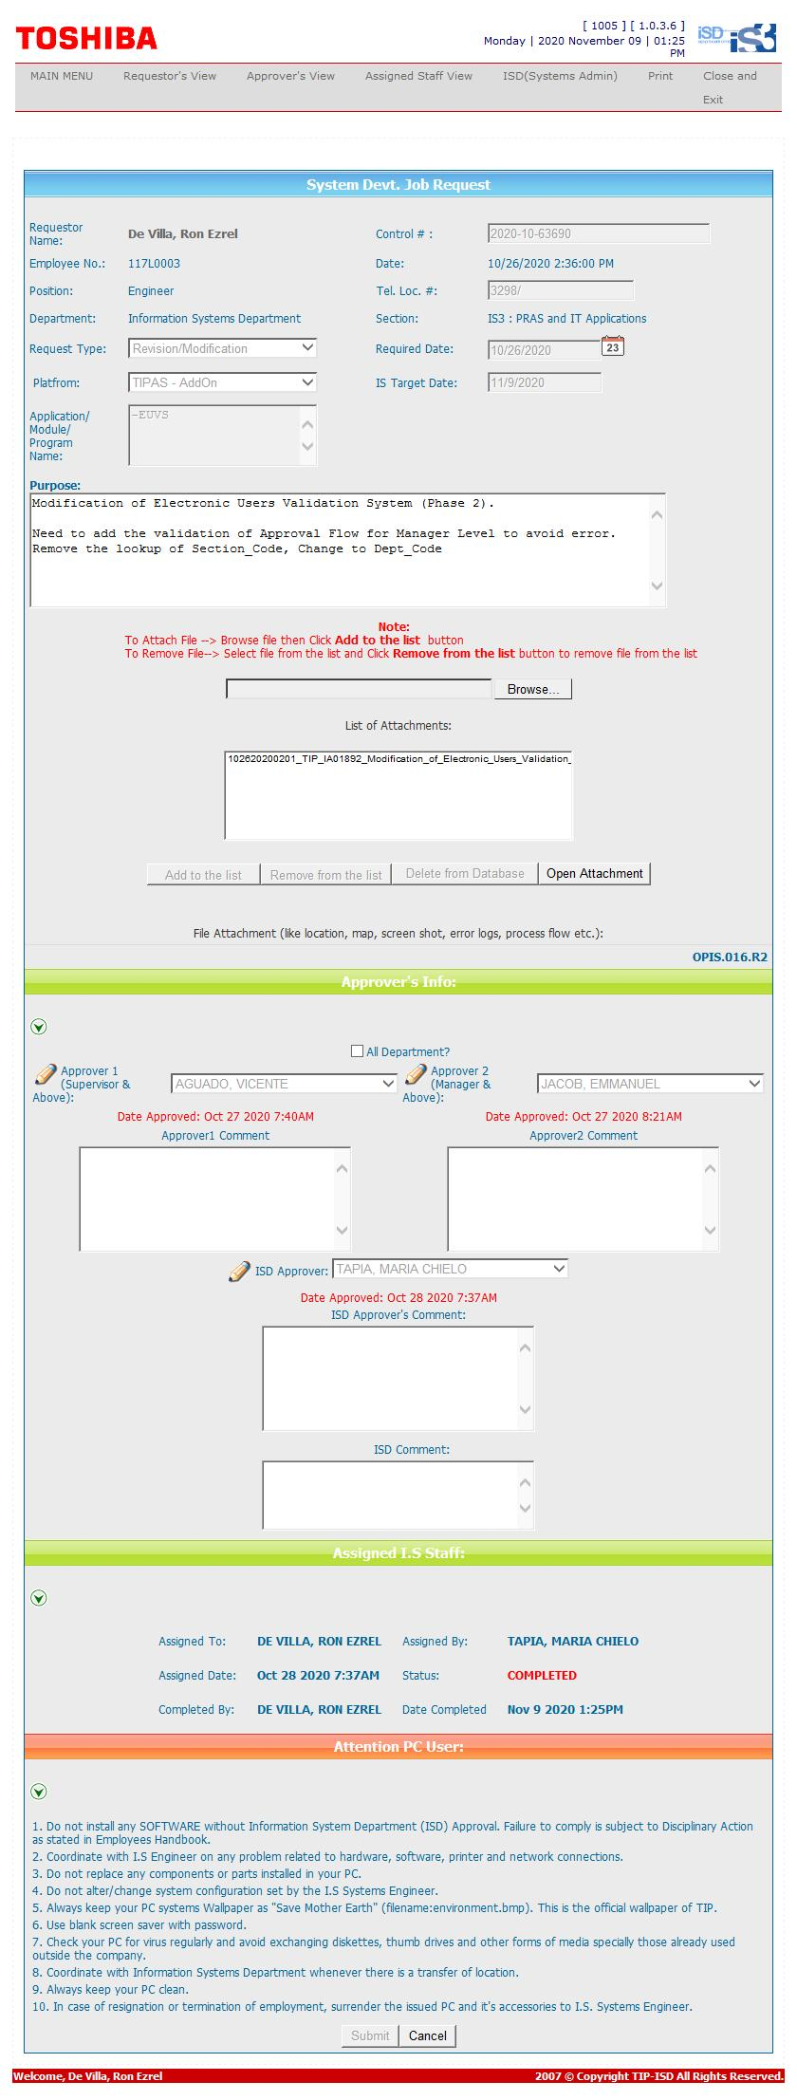
Helpdesk Request

 | ATTACH SCREENSHOT OF HELPDESK REQUEST.

